Sheet1
 | Document No. |  | Issue No. | Issue Date |  | Review and Replace Date |  |  |  | Authorised By
 | GFF187MC |  | 4 | 06.11.2020 |  | 27.10.2022 |  |  |  | Magda Shah
 | Document Title |  | Spicy Potato Wedges with 240g
Document amendments reason for change | Film Updated |  |  |  | Page 1 of 1 |  | Previous Issue Date |  | 21.12.2021 | Uncontrolled copy unless signed original

FRIED IN HOUSE
CSPW1C-R6T |  | Gazebo | Spicy Potato Wedges 240g
STEP 1 |  |  | STEP 2 |  |  |  |  | STEP 3
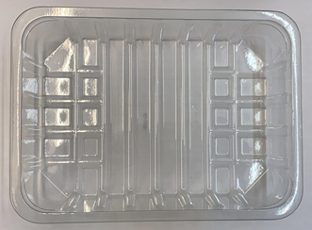 |  |  | 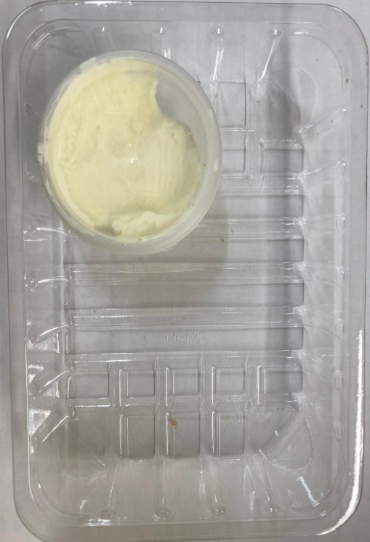

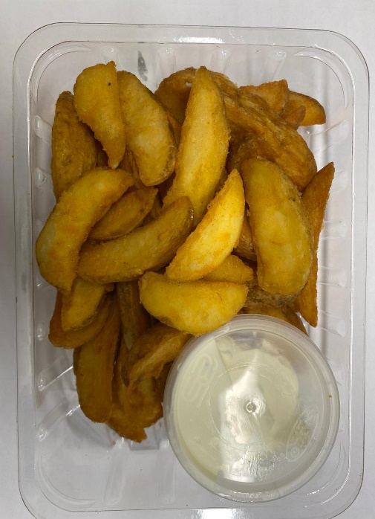

 |  |  |  |  |  |  |  | Potato Wedges (RMHOP001-02): 200g
Tray: SK4-Plain Clear (PKESS001-07) |  |  | Sour Cream with Chive (GFF227R): 40g
Film: K-peel 7G+25A/f-275mm (PKKMP001-03) |  |  | Satco 2oz Pots with Lids (PKJEN001-03) |  |  |  |  | TOTAL WEIGHT: 240g
ALLERGY ALERT: WHEAT, MILK

